PRD
Product Requirement Document (PRD) - Version: 1.0

Template Name |  | Job Portal
Goals & Objective |  | Goals: Connect job seekers with potential employers. Simplify the job search and hiring process. Objectives: Allow users to register, log in, and manage profiles. Enable companies to post job listings and view applications.
Client Information |  | Job Seekers,Employers/Companies.
Product Type |  | Web Application
Domain |  | Web 2
Access Layers |  | User, Miner
Design Required |  | Yes

Phase | Item No | Specification [Role] | Screen Definition | User Story | UI Screen / Wireframe | Tags
phase 1 | 1 | Company Details Page | Page Name Page Purpose Target Users Main Components Company Description key Responsibilities | Company Details Show job seekers detailed information about the company, its services, and specific job details. Job Seekers, General Visitors - Company Description - Key Responsibilities | 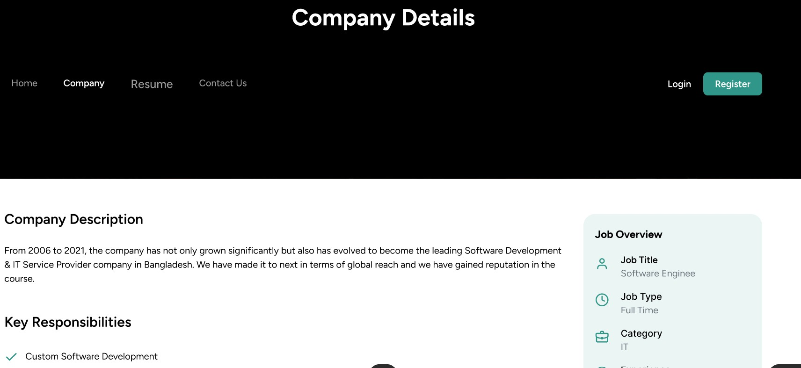
phase 1 | 2 | Job Details | Job Overview Sidebar Header Navigation Data Source Design Source Responsive Design Success Criteria | - Job Overview Sidebar - Navigation Header Static/dynamic text field for company intro/history. Example: "From 2006 to 2021..." List of services provided by the company: - Custom Software Development - Web & Mobile App Development - UI/UX Design, etc. - Job Title: Software Engineer - Job Type: Full Time - Category: IT - Experience: Intern - Degree: B.Sc. in CSE - Offered Salary: $10,000–$100,000 - Location: Dhaka, Bangladesh | 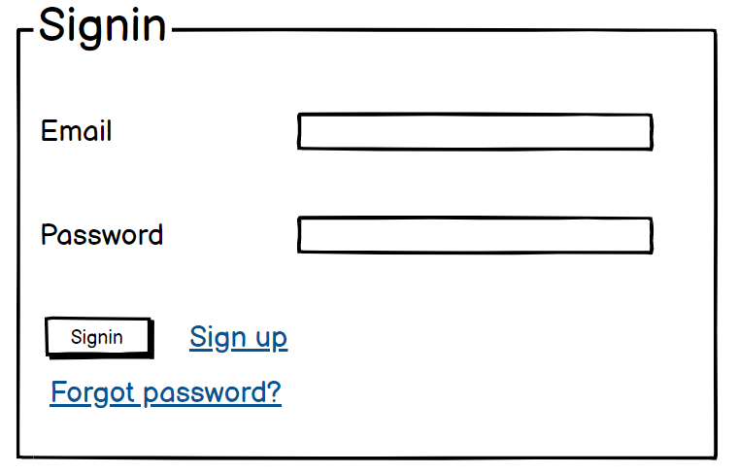 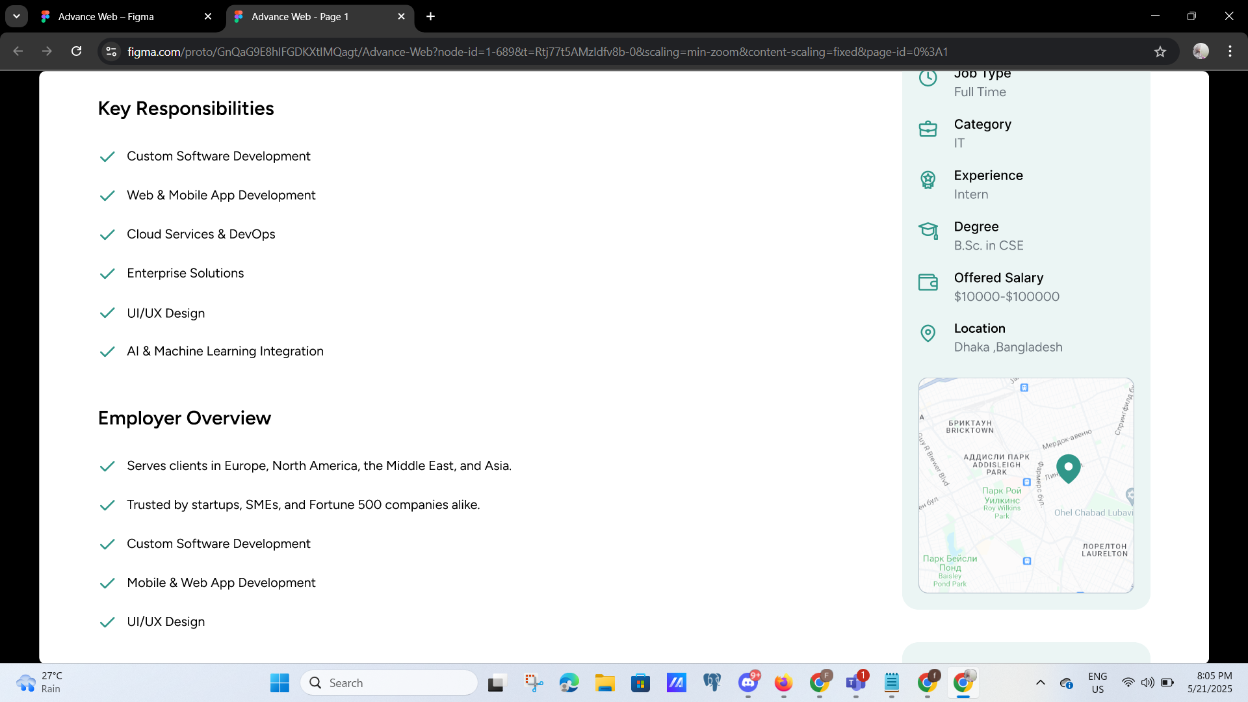
phase 2 | 4 | Information | Company Name Company Logo Company Description Website Industry Headquarters Location Total Employees Founded Year Contact Email Social Media Links | 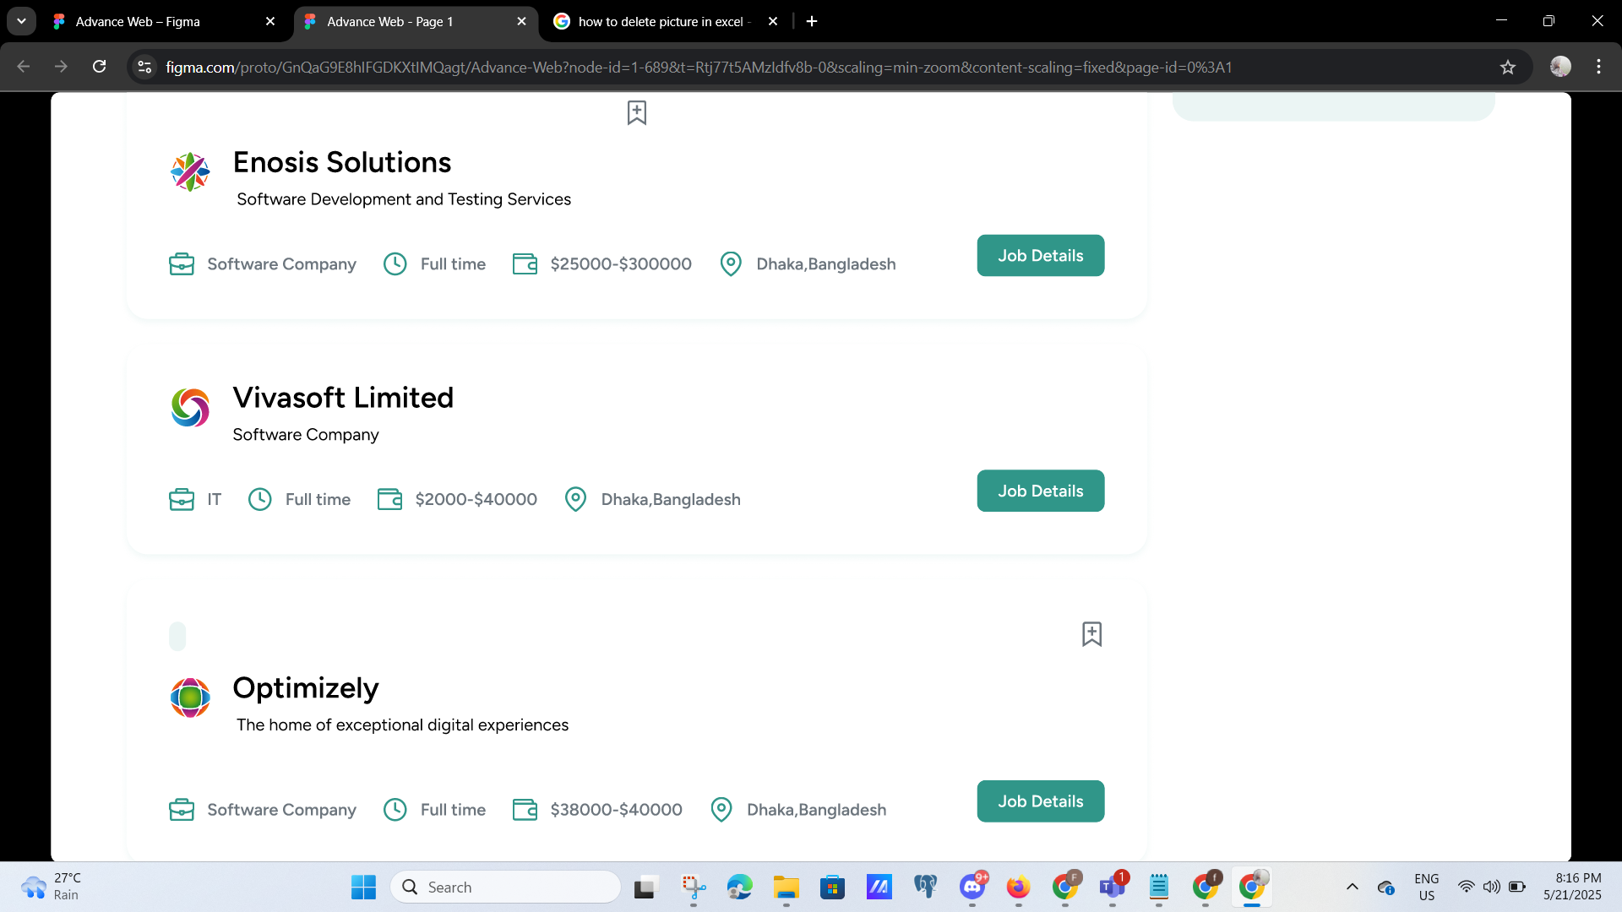 -Displayed prominently at top. -Appears beside name. -Brief company profile for job seekers. -Opens in new tab. -E.g., IT, Banking, Education, etc. -Optional. -Clear job-related responsibilities. -Optional. -Optional historical context. -Optional for job seeker questions. -Opens in new tab. | 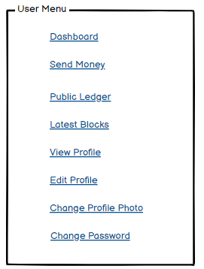
phase 2 | 5 | Permission | -Job Seekers -Admin -General Visitor | -Job Seekers can view -Admin can view and edit -General Visitor can view | 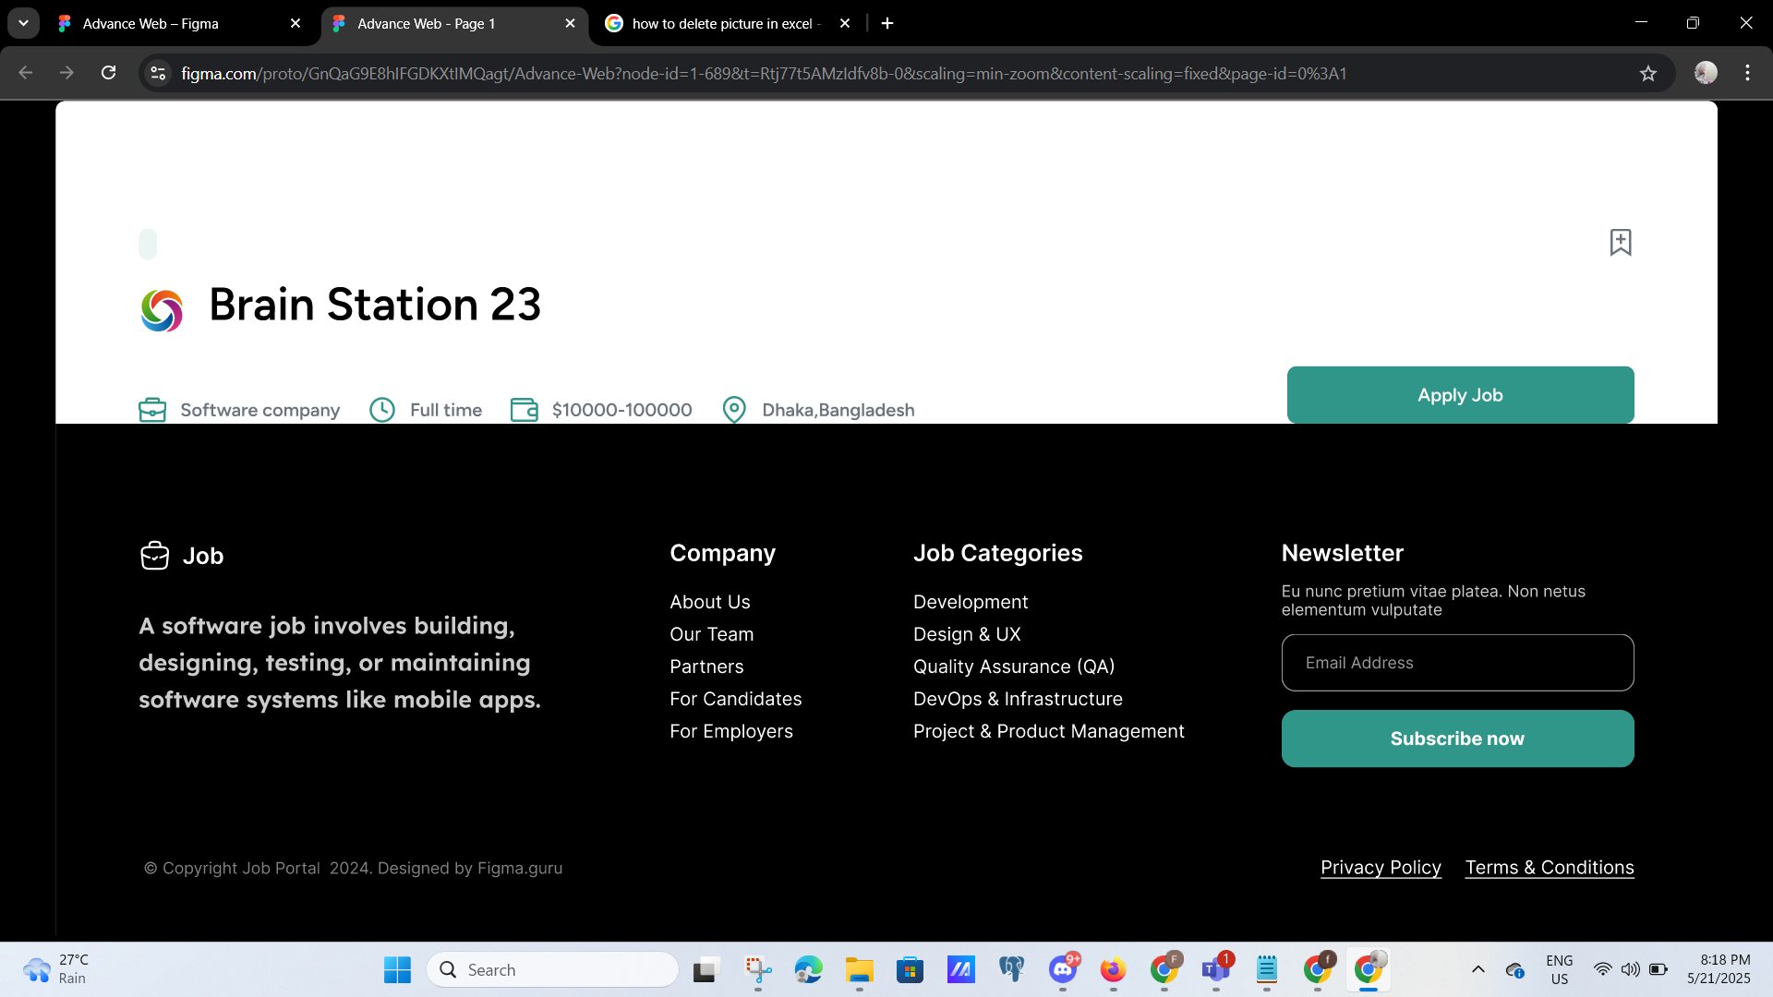
phase 3 | 30 | Main Field | Resume File Resume Title Upload Timestamp Resume Preview | -File stored securely on server. -Shown as label if user uploads multiple. -Used for sorting and tracking. -Optional thumbnail or icon. | 